WFHC 571
 | -Elizabeth WHITEHOUSE
 | b. 1809-10 C Hay
 | c. 11 Mar 1810
Samuel WHITEHOUSE | CK St Luke
(Coal Miner) | d. 1861-71 cs ?
CK St Luke ? [1] | Shareshill St Mary [4] | Issue
d. 29 Feb 1860 C Hay | James BRINDLEY | (9 known children,
i. 04 Mar 1860 ae 86 | (Coal Miner) | none named after the
CK St Luke | b. 1809-10 Gt Wyr | parents or the suggested
m. 17 Oct 1808 | d. 1861-71 cs ? (r. 3q. | grandparents)
Bushbury St Mary [2] | 1870 ae 61 PK RD ?)
Phoebe WHITEHOUSE
c. 14 May 1786 ? [3] | -Mary WHITEHOUSE [5]
i. 26 Jun 1857 ae 71 | c. 22 Jul 1811
CK St Luke | CK St Luke
KEY | d. r. 3q. 1883 ae 72
Events | CK RD
ae aged | m. 10 Dec 1832
b. born | Shareshill St Mary [6] | 2. Anne SAVAGE
c. baptised | William SAVAGE | b. 1833-34 C Hay
cs census | (Matchet Maker; Edge | c. 31 Aug 1834
d. died | Tool Maker) | CK St Luke
h1, h2 husband's | b. 02 Sep 1809 AS | d. 1909 Hatherton
1st, 2nd marriage | c. 06 Nov 1809 B St Phil | (r. 4q. 1909 ae 77 CK RD)
i. buried | d. | m. 1863 Penkridge
m. married | (They had 13 children | St Michl
p. partnered | namely: (1) William | (r. 2q. 1863 PK RD) | 2. Florence Louisa
q. quarter of year | b. 1832-33; (2) Anne | John HORTON | HORTON | Maud HORTON
r. registered | as shown; (3) Samuel | (Edge Tool Maker, 1861 | b. 1869 Wedges Mills | b. r. 4q. 1894 CK RD
RD Registration District | b. 1836; (4) Edmund | & 1891 cs; Edge Tool | CK | d. r. 4q. 1900 ae 6 CK RD
RO Register Office | b. 1837 d. 1838; (5) | Striker, 1871 cs; Iron | d. r. 3q. 1950 ae 81
t. twin | Phebe b. & d. 1838; (6) | Foundry Labourer, 1881 | CK RD | -Another (see Tree
w1, w2 wife's | Edward b. 1839 d. 1843; | cs; Farm Labourer, 1911 | m. 16 Aug 1897 w1 | 003 etc)
1st, 2nd marriage | (7) Phebe b. 1841; (8) | cs) | Hatherton St Savr
 | Eliza b. 1842-3; (9) Mary | b. 1841-42 C Hay | James WHITEHOUSE | -Fanny WHITEHOUSE
Places | b. 1844-45; (10) Lucy b. | c. 20 Feb 1842 | (Coal MIner; see Tree | b. 24 Jan 1901
AS Aston | 1846; (11) Edmund b. | CK St Luke | 003 019 084 515 568) | Micklewood PK
B Birmingham | 1849; (12) Sarah Jane | d. r. 1q. 1929 ae 87 | b. 14 Jul 1868 | d. 13 Feb 1991 CK
C Hay Cheslyn Hay | b. 1851; & (13) Joseph | CK RD ? | Calf Heath STS | m. 09 Feb 1920 CK RO
CK Cannock | b. 1855, all at C Hay) | (They had 7 children) | c. 07 Apr 1871 | William Henry | 571
Gt Wyr Great Wyrley |  |  | Gailey St John | JOHNSON | = 515
PK Penkridge |  |  | d. 14 Oct 1927 | (Railwayman)
STS Staffordshire |  |  | Calf Heath STS | b. 09 Feb 1897 Hatherton
 | -Edward WHITEHOUSE |  | i. 20 Oct 1927 ae 59 | d. 19 Jul 1969 CK
 | c. 27 Mar 1814 |  | Hatherton St Savr
 | CK St Luke |  | oooooooooooooooooo | -4 others (see Tree
 | i. 08 Aug 1815 ae 1 |  | m. r. 3q. 1939 w2 CK RD | 003 etc.)
 | CK St Luke [7] |  | William S....... EVANS
 |  |  | b.
 |  |  | d.
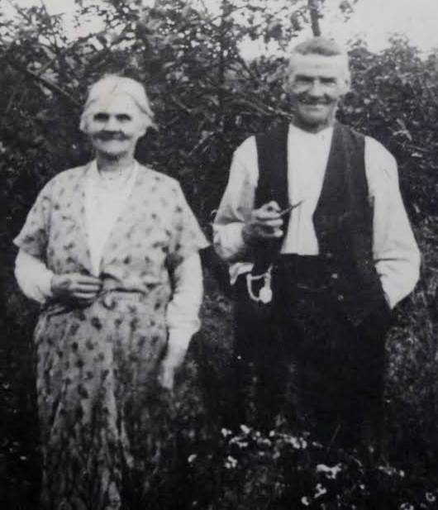
Notes
1. The 1851 census | 2. Address of both: | 4. Address of both:
gives Samuel WHITE- | Cheslyn Hay. Wit. | Wyrley Bank; wit.
HOUSE's age as 77, | Mary STOKES & a | Charles BRINDLEY &
birthplace Cheslyn Hay, | frequent witness. | Elizabeth ASHTON.
thus agreeing with the
1774 baptism shown, | 3. The 1851 census | 5. A Mary WHITEHOUSE
to Edward | gives Phoebe WHITE- | was buried 15 Oct 1815,
WHITEHOUSE. No | HOUSE's age as 64, | age 4, at Cannock St
mother is mentioned, | birthplace Cheslyn Hay, | Luke, address: Great
but the mother was | thus agreeing with the | Wyrley. Possibly she
often omitted in the | 1786 baptism shown, to | was baptised 14 May | Florence & William EVANS
Cannock St Luke | Daniel & Elizabeth | 1811 at Cheslyn Hay
baptisms register | WHITEHOUSE, who | Methodist Chapel, to
from about 1750 to | possibly married | James & Ann
about 1800. | 07 Jun 1767 at Cannock | WHITEHOUSE.
 | St Luke (she as
 | Elisabeth WESTWOOD). | 6. Wit. James &
 |  | Elizabeth BRINDLEY.

 |  | 7. Address: Cheslyn Hay.

cont. in next column | cont. in next column

